1. Title Page
[Grocery Basket Analysis]

Project Name: Instacart Grocery Basket Analysis
Date: August 4, 2023
Analyst Name: Ryan Lee

Contents:
Population Flow
Consistency checks
Wrangling steps
Column derivations
Visualizations
Recommendations

Data Citation:
“The Instacart Online Grocery Shopping Dataset 2017”, Accessed from | www.instacart.com/datasets/grocery-shopping-2017 | via | Kaggle | on July 17, 2023.

2. Population Flow
Title page

Population flow

Exclusion flag
Condition: max_order < 5
Obervations to be removed: 1,440,295
Final total count of order_products_all: 30,964,564 x 30

Orders_products_combined
Orders_products_merged
Orders_products_all

Total: 32,434,489 x 9 joined on order_id
Total: 32,404,859 x 13 joined on product_id
Total: 32,404,859 x 29 joined on user_id

3. Consistency checks
 |  |  |  | Title page
Consistency checks

Dataset | Missing values | Missing values treatment | Duplicates
orders | days_since_prior_order: 206,209 | No action taken because missing values were associated with first time orders | None found
products | product_name: 16 | Unable to determine the values of the product_name; therefore, the 16 records without a product_name were removed | 5 duplicated records removed
orders_products_prior | None found |  | None found
customers | None found |  | None found
orders_products_merged | prices: 5,127 | No action taken because prices > 100 were changed to null values | None found

4. Wrangling steps
 |  |  |  | Title page
Wrangling steps

Columns dropped | Columns renamed | Columns' type changed | Comment/Reason
orders: eval_set |  |  | unnecessary for analysis
 | orders: order_dow to orders_day_of_week |  | dow is obscure; day of week is clear
orders_products_merged: busiest_day |  |  | client changed mind and wanted busiest_days label
customers: Gender |  |  | unnecessary for analysis
customers: date_joined |  |  | unnecessary for analysis
 | customers: First Name to first_name |  | standard naming convention
 | customers: Surnam to last_name |  | standard naming convention
 | customers: STATE to state |  | standard naming convention
 | customers: Age to age |  | standard naming convention
 | customers: n_dependants to number_of_dependants |  | clearer name
 | customers: fam_status to marital_status |  | clearer name
 |  | orders_products_combined: order_id to 32-bit unsigned integer | More optimal data type
 |  | orders_products_combined: user_id to 32-bit unsigned integer | More optimal data type
 |  | orders_products_combined: order_number to 8-bit unsigned integer | More optimal data type
 |  | orders_products_combined: orders_day_of_week to 8-bit unsigned integer | More optimal data type
 |  | orders_products_combined: order_hour_of_day to 8-bit unsigned integer | More optimal data type
 |  | orders_products_combined: days_since_prior_order to 32-bit float | More optimal data type
 |  | orders_products_combined: product_id to 16-bit unsigned integer | More optimal data type
 |  | orders_products_combined: add_to_cart_order to 8-bit unsigned integer | More optimal data type
 |  | orders_products_combined: reordered to 8-bit unsigned integer | More optimal data type
 |  | orders_products_merged: aisle_id to 8-bit unsigned integer | More optimal data type
 |  | orders_products_merged: department_id to 8-bit unsigned integer | More optimal data type
 |  | orders_products_merged: prices to 32-bit float | More optimal data type
 |  | customers: first_name to string | It was a mixed data type instead of a string
 |  | customers: age to 8-bit unsigned integer | More optimal data type
 |  | customers: number_of_dependants to 8-bit unsigned integer | More optimal data type
 |  | customers: income to 32-bit unsigned integer | More optimal data type
customers: first_name |  |  | personally identifiable information
customers: last_name |  |  | personally identifiable information

5. Column derivations
 |  |  |  |  | Title page

Column derivations and aggregations

Dataset | New column | Column(s) it was derived from | Conditions | Frequencies of Flags
orders_products_merged.pkl | price_range | prices | Low-range product: prices <= 5 Mid-range product: 5 < prices <= 15 High-range product: prices > 15 | Mid-range product: 21,860,860 Low-range product: 10,126,321 High-range product: 417,678
orders_products_merged.pkl | busiest_days | orders_day_of_week | Busiest day: 2 most frequent days Least busy: 2 least frequent days Regularly busy: Remaining days | Regularly busy: 12,916,111 Busiest day: 11,864,412 Least busy: 7,624,336
orders_products_merged.pkl | busiest_period_of_day | order_hour_of_day | Most orders: 8 most frequent hours Fewest orders: 8 least frequent hours Average orders: Remaining hours | Most orders: 21,118,071 Average orders: 9,997,651 Fewest orders: 1,289,137
orders_products_merged.pkl | max_order | user_id, order_number | Obtain max order_number from each user_id
orders_products_merged.pkl | loyalty_label | max_order | New customer: max_order <= 10 Regular customer: 10 < max_order <= 40 Loyal customer: max_order > 40 | Regular customer: 15,876,776 Loyal customer: 10,284,093 New customer: 6,243,990
orders_products_merged.pkl | mean_spent | user_id, prices | Obtain mean price spent for each user_id
orders_products_merged.pkl | spender_label | mean_spent | Low spender: mean_spent < 10 High spender: mean_spent >= 10 | Low spender: 32,285,131 High spender: 119,728
orders_products_merged.pkl | median_days_since_prior_order | user_id, days_since_prior_order | Obtain median of days_since_prior_order for each user_id
orders_products_merged.pkl | customer_frequency_level | median_days_since_prior_order | Frequent customer: median_days_since_prior_order <= 10 Regular customer: 10 < median_days_since_prior_order <= 20 Non-frequent customer: median_days_since_prior_order > 20 | Frequent customer: 21,559,853 Regular customer: 7,208,564 Non-frequent customer: 3,636,437 NaN: 5
orders_products_all.pkl | region | state | South: Delaware, Maryland, District of Columbia, Virginia, West Virginia, North Carolina, South Carolina, Georgia, Florida, Kentucky, Tennessee, Mississippi, Alabama, Oklahoma, Texas, Arkansas, Louisiana West: Idaho, Montana, Wyoming, Nevada, Utah, Colorado, Arizona, New Mexico, Alaska, Washington, Oregon, California, Hawaii Midwest: Wisconsin, Michigan, Illinois, Indiana, Ohio, North Dakota, South Dakota, Nebraska, Kansas, Minnesota, Iowa, Missouri Northeast: Maine, New Hampshire, Vermont, Massachusetts, Rhode Island, Connecticut, New York, Pennsylvania, New Jersey | South: 10,791,885 West: 8,292,913 Midwest: 7,597,325 Northeast: 5,722,736
orders_products_all.pkl | profile | age, income, number_of_dependants | The median age is 49. This will be used to divide the based on age group. The 25th percentile of income is $59,874 and the 75th percentile if income is $124,244. These two values will be used divide customers based on income level. A customer with no dependents will be classified as an adult, while a customer with at least 1 dependant will be classified as a parent. Young, low income adult: age <= 49 & income < $59,874 & has no dependants Young, low income parent: age <= 49 & income < $59,874 & has at least 1 dependant Young, mid income adult: age <= 49 & $59,874 <= income <= $124,244 & has no dependants Young, mid income parent: age <= 49 & $59,874 <= income <= $124,244 & has at least 1 dependent Young, high income adult: age <= 49 & income > $124,244 & has no dependants Young, high income parent: age <= 49 & income > $124,244 & has at least 1 dependant Old, low income adult: age > 49 & income < $59,874 & has no dependants Old, low income parent: age > 49 & income < $59,874 & has at least 1 dependant Old, mid income adult: age > 49 & $59,874 <= income <= $124,244 & has no dependants Old, mid income adult parent: age > 49 & $59,874 <= income <= $124,244 & has at least 1 dependant Old, high income adult: age > 49 & income > $124,244 & has no dependants Old, high income parent: age > 49 & income > $124,244 & has at least 1 dependant | Young, mid income parent: 7163135 Old, mid income parent: 5449230 Old, high income parent: 4793834 Young, low income parent: 3024979 Young, mid income adult: 2367644 Old, mid income adult: 1803420 Old, high income adult: 1633099 Young, high income parent: 1485866 Old, low income parent: 1307839 Young, low income adult: 1011723 Young, high income adult: 494942 Old, low income adult: 428853
orders_products_all.pkl | goods_type | department_id | Perishable foods: department_id = 1, 3, 4, 12, 14, 16, 20 Non-perishable foods: department_id = 9, 13, 15, 19 Drinks: department_id = 5, 7 Family care: department_id = 8, 11, 17, 18 Miscellaneous: department_id = 2, 6, 10, 21 | Perishable foods: 19,848,479 Non-perishable foods: 6,383,321 Drinks: 2,716,528 Home care: 1,627,615 Miscellaneous: 388,621

6. Visualizations
 |  |  | Title page

Visualisations


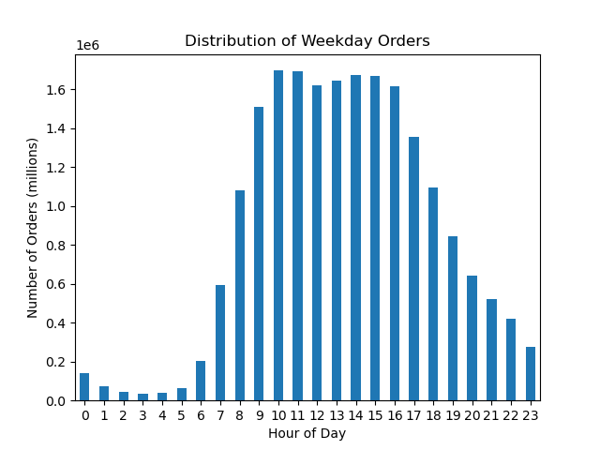


 |  |  |  |  |  | Question the visualization answers:
 |  |  |  |  |  | What are the busiest days of the week and hours of the day?

 |  |  |  |  |  | Comment:
 |  |  |  |  |  | The busiest days of the week are Saturday and Sunday.
 |  |  |  |  |  | The slowest days of the week are Tuesday and Wednesday.

 |  |  |  |  |  | The busiest hours of the day are from 7:00am to 10:00pm for both the weekdays and weekends.
 |  |  |  |  |  | The slowest hours of the day are from 11:00pm to 6:00am for both the weekdays and weekends.

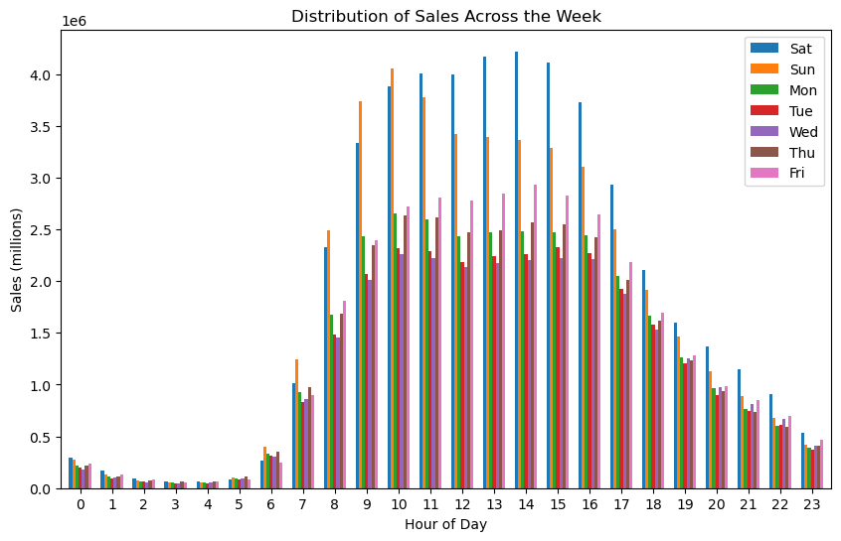

 |  |  |  | Question the visualization answers:
 |  |  |  | Are there particular times of the day when people spend the most money?
 |  |  |  | Is there a difference in expenditure depending on the hour of the day?

 |  |  |  | Comment:
 |  |  |  | The distribution of sales is similar to the distribution of orders by hour of day.
 |  |  |  | Sales are the highest across the week during the hours of 9:00am to 4:00pm, but they are much higher for Saturday and Sunday.


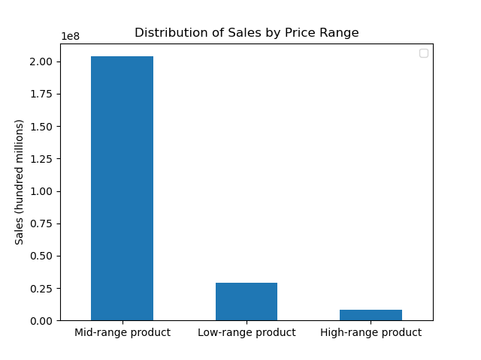

 |  |  |  | Question the visualization answers:
 |  |  |  | Instacart has a lot of products with different price tags. Marketing and sales want to use simpler price range groupings to help direct their efforts.

 |  |  |  | Comment:
 |  |  |  | A price_range column was derived in the orders_products_merge.pkl file.
 |  |  |  | Low-range product: price <= 5
 |  |  |  | Mid-range product: 5 < price <= 15
 |  |  |  | High-range product: price > 15

 |  |  |  | The distribution of prices show that customers mostly purchase low-range or mid-range products, but they rarely purchase high-range products.
 |  |  |  | Mid-range products are generating the most in sales.

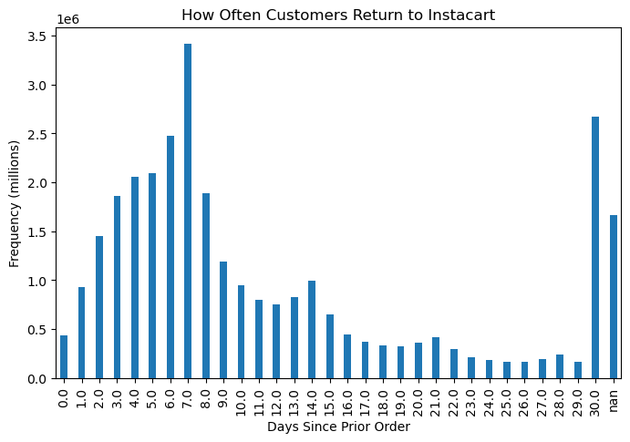
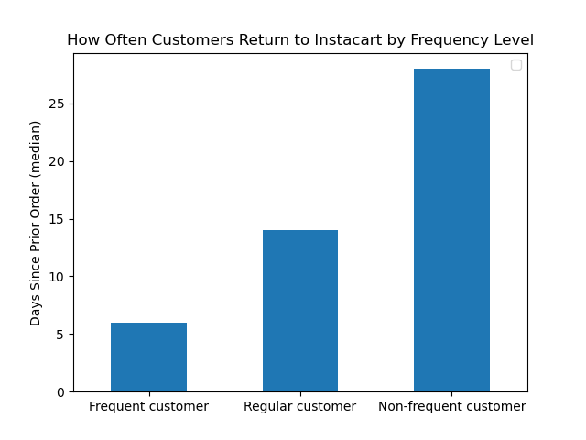

 |  |  |  |  | Question the visualization answers:
 |  |  |  |  | What’s the distribution among users in regards to their brand loyalty (i.e., how often do they return to Instacart)?

 |  |  |  |  | Comment:
 |  |  |  |  | Frequent customer: median_days_since_prior_order <= 10
 |  |  |  |  | Regular customer: 10 < median_days_since_prior_order <= 20
 |  |  |  |  | Non-frequent customer: median_days_since_prior_order > 20

 |  |  |  |  | Customers return most frequently after a week (7 days) or a month (30 days).
 |  |  |  |  | Frequent customers return every week, regular customers return every other week, and non-frequent customers return nearly every month.

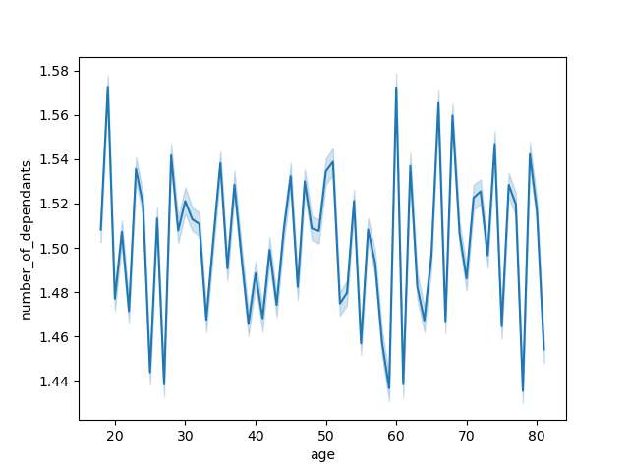

Question the visualization answers:
Determine whether there’s a connection between age and family situation by creating a line chart exploring the connections between age and number of dependants.
Is there a connection between age and family status in terms of ordering habits?

Comment:
Due to the fluctuating nature of the line chart, there is no connection between age and number of dependants.

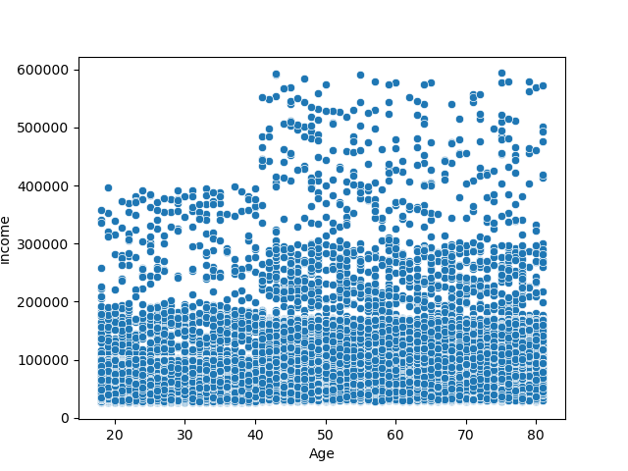

Question the visualization answers:
This doesn't answer any key questions
Explore whether there’s a connection between age and spending power (income).

Comment:
There is no connection between age and spending power.
The high density of points below the $200,000 income indicates a majority of instacart customers have an income of $200,000 or fewer.
A low density of points above the $200,000 income bracket indicates not too many instacart customers have an income of $200,000 or higher.

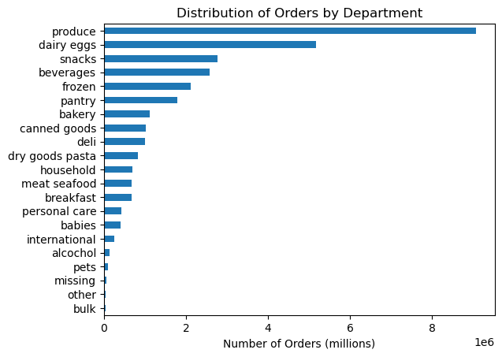
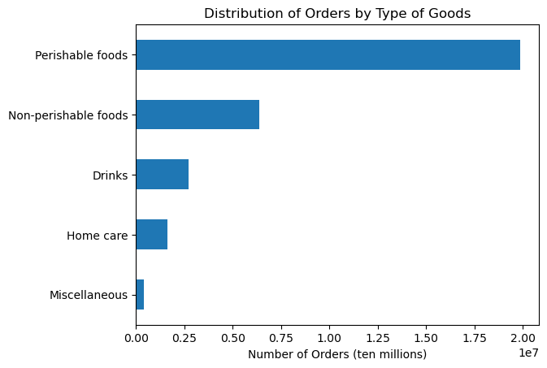

 |  |  |  |  | Question the visualization answers:
 |  |  |  |  | Are there certain types of products that are more popular than others?
 |  |  |  |  | The marketing and sales teams want to know which departments have the highest frequency of product orders.

 |  |  |  |  | Comment:
 |  |  |  |  | The two departments with the most frequent orders are produce and dairy eggs.
 |  |  |  |  | The departments can be categorized into five groups: perishable foods, non-perishable foods, drinks, family care, and miscellaneous.
 |  |  |  |  | Customers are most frequently ordering perishable foods.

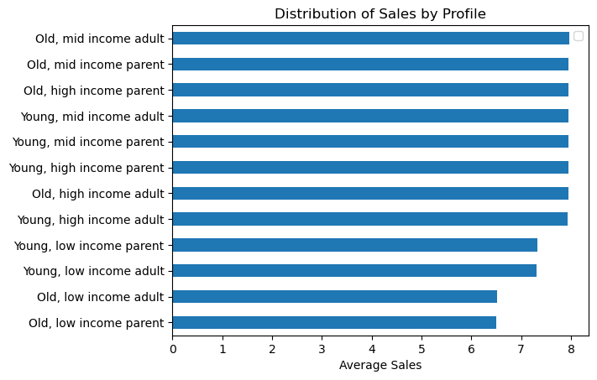
 | Question the visualization answers:
 | What differences can you find in ordering habits of different customer profiles?

 | Comment:
 | Spending habits are nearly the same, on average, for all customer profiles with the exception of low income customers.

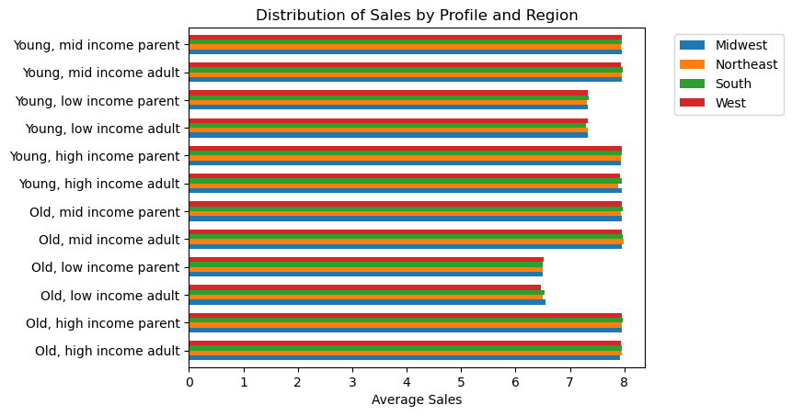
 |  | Question the visualization answers:
 |  | What differences can you find in ordering habits of different customer profiles?

 |  | Comment:
 |  | Comparing customer profiles with region, there does not appear to be any link between profile and region.

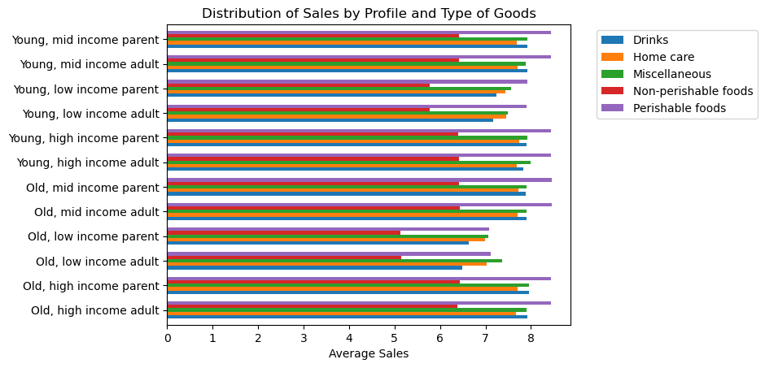

 |  | Question the visualization answers:
 |  | What differences can you find in ordering habits of different customer profiles?

 |  | Comment:
 |  | Comparing customer profiles with type of goods purchased, there does not appear to be any link between profile and type of goods purchased.
 |  | All of the customer spending habits are the same when it comes to type of goods purchased; that is, customers spend, on average, most on perishable foods and least on non-perishable foods.

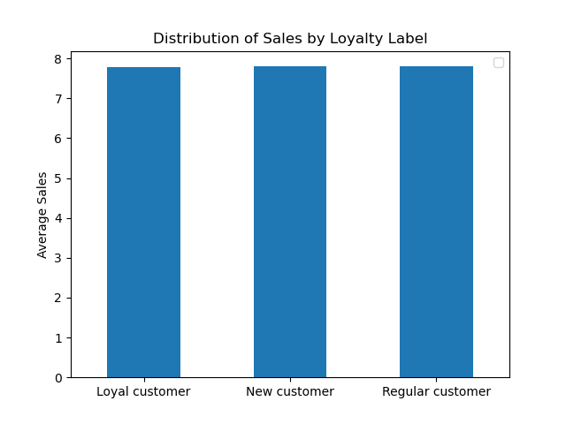

Question the visualization answers:
Are there differences in ordering habits based on a customer’s loyalty status?

Comment:
There is no difference in the average amount spent by instacart customers based on their loyalty status.

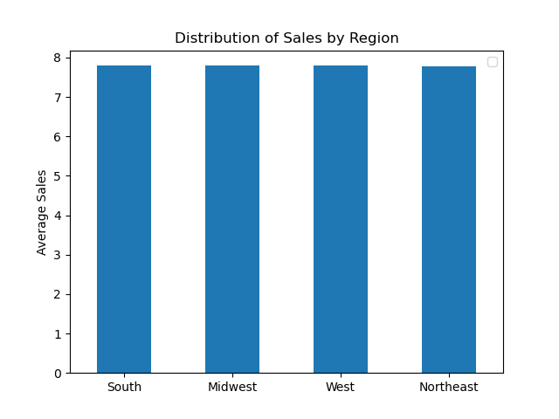

Question the visualization answers:
Are there differences in ordering habits based on a customer’s region?

Comment:
There is no difference in the average amount spent by instacart customers based on their region.

7. Recommendations
 | Title page

Recommendations

Key Question 1
The sales team needs to know what the busiest days of the week and hours of the day are (i.e., the days and times with the most orders) in order to schedule ads at times when there are fewer orders.

Answer
The busiest days of the week are Saturday and Sunday, and the slowest days of the week are Tuesday and Wednesday. The busiest times of the day are 9:00AM to 4:00PM, and the slowest times of the day are from 10:00PM to 7:00AM.

Recommendation
Since the slowest days are Tuesday and Wednesday, the marketing team should focus their advertisements on Tuesday and Wednesday to increase more orders from their customers.
Avoid advertising between the hours of 11:00PM to 7:00AM; otherwise advertising efforts will be missed by customers likely to customers sleeping during these hours of the day.

Key Question 2
The sales team also wants to know whether there are particular times of the day when people spend the most money, as this might inform the type of products they advertise at these times.

Answer
The distribution of sales are similar across the week between the hours of 11pm and 6am. During the busiest hours (8:00am to 5:00pm), sales are much higher during the weekend.
Customers spend the most amount of money between the hours of 9:00am and 4:00pm across the week.

Recommendation
Avoid advertising between the hours of 11:00PM to 6:00AM; otherwise advertising efforts will be missed due to customers sleeping during these hours of the day.
Saturday makes the most in sales during the hours of 9:00am and 4:00pm. Advertising efforts can be placed here to draw in more sales.

Key Question 3
Instacart has a lot of products with different price tags. Marketing and sales want to use simpler price range groupings to help direct their efforts.

Answer
The distribution of prices show that customers mostly spend between $1 to $15. It is uncommon for customers to spend more than $15.
Products priced $5 or lower are categorized as low-range products. Products priced higher than $5 but less than or equal to $15 are cateogrized as mid-range products. Products priced higher than $15 are categorized as high-range products.
Mid-range products are generating the most sales, while low-range and high-range products make the least amount in sales.

Recommendation
The marketing team could focus their advertising on low-range and high-range products to increase their sales.

Key Question 4
Are there certain types of products that are more popular than others? The marketing and sales teams want to know which departments have the highest frequency of product orders.

Answer
Instacart has many departments, but produce has the highest frequency of product orders.
Each department could be classified into one of five categories: perishable foods, non-perishable foods, drinks, home care, and miscellaneous.
Perishable foods have the highest frequency of orders.

Recommendation
It is apparent that customers are mostly ordering food (perishable and non-perishable) and drinks, but very rarely are miscellanous and home care products are purchased.
The marketing team could focus advertising on home care and miscellaneous products to try to increase frequency of orders of these types of goods.

Key Question 5
What’s the distribution among users in regards to their brand loyalty (i.e., how often do they return to Instacart)?

Answer
Instacart customers mostly return after one week (7 days) or one month (30 days); that is, customers mostly make either a weekly order or month order.
Frequenct customers return to Instacart on a near weekly basis. Regular customers return to instarcart every other week. Non-frequent customers return to instacart on a near monthly basis.

Recommendation
If not already implemented, have a subscription service for customers who purchase goods on a weekly, bi-weekly, or monthly basis.
For example, frequent customers would likely enjoy a weekly subscription for certain goods, regular customers would likely enjoy a biweekly subscription for certain goods, and non-frequent customers would likely enjoy a monthly subscription for certain goods.

Key Question 6
Are there differences in ordering habits based on a customer’s loyalty status?

Answer
There is no difference in ordering habits based on a customer's loyalty status.

Recommendation
No recommendation due to no differences in ordering habits based on loyalty status.

Key Question 7
Are there differences in ordering habits based on a customer’s region?

Answer
There is no difference in the average amount spent by instacart customers based on their region.

Recommendation
No recommendation due to no difference in ordering habits based on a customer's region.

Key Question 8
Is there a connection between age and family status in terms of ordering habits?

Answer
Due to the fluctuating nature of the line chart, there is no connection between age and number of dependants.

Recommendation
No recommendation due to no connection between age and family status.

Key Question 9
What differences can you find in ordering habits of different customer profiles?

Answer
Theirs is a difference in customer spending habits: low income customers spend, on average, less than mid to high income customers.
Comparing these profiles with regions, there does not appear to be any link between them.
Comparing these profiles with type of goods purchased, there does not appear to be any link between them. What is apparent is the profiles all behave the same way when it comes to type of goods purchased: they spend, on average, most on perishable foods and least on non-perishable foods.

Recommendation
Marketing could have a rewards like a 5% cash back on purchases to help the low income customers make more purchases on their online orders, ultimately increasing sales from these customers.

